Sheet1
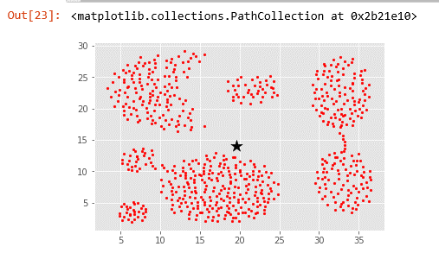
k | centroid_x | centroid_y | SSE | Gambar Cluster
1 | 19.565262 | 14.033721 | 8322.6737879

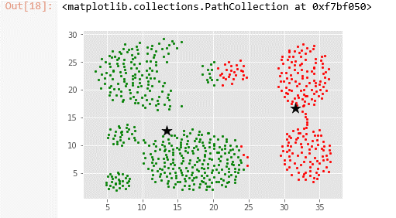
2 | 31.582619 | 16.663734 | 4931.0875448
 | 13.411319 | 12.686923

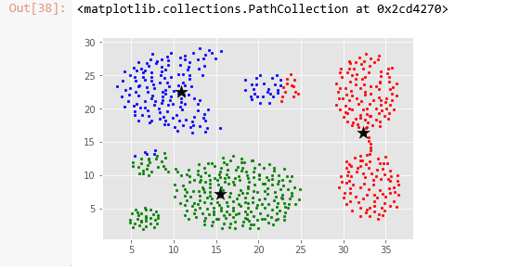
3 | 32.30764 | 16.432638 | 2662.3599325
 | 15.485204 | 7.1409864
 | 10.841573 | 22.507303

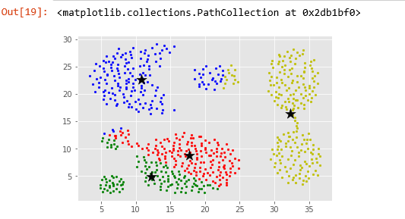
4 | 17.767733 | 8.754651 | 901.37669576
 | 12.230082 | 4.9341464
 | 10.859322 | 22.559605
 | 32.30764 | 16.432638

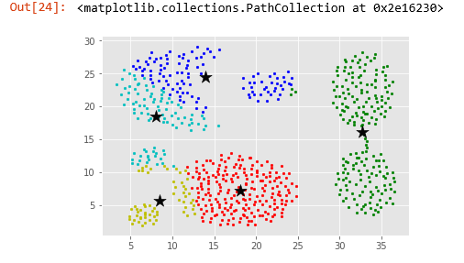
5 | 18.100231 | 7.1824074 | 652.8890597
 | 32.73835 | 16.09733
 | 13.921818 | 24.465
 | 8.47623 | 5.637705
 | 7.9863157 | 18.449474

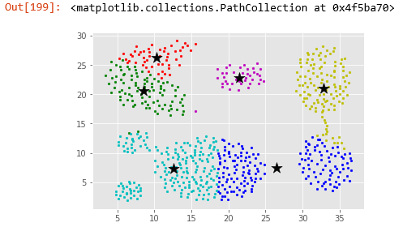
6 | 10.295193 | 26.3375 | 479.69055115
 | 8.575 | 20.648958
 | 26.455084 | 7.4409604
 | 32.77621 | 21.072178
 | 12.546482 | 7.3271356
 | 21.47 | 22.88125

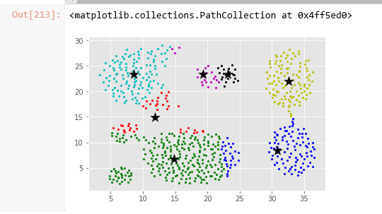
7 | 11.914286 | 14.994047 | 138.10965387
 | 14.806048 | 6.7435484
 | 30.825834 | 8.377084
 | 32.655857 | 22.051802
 | 8.612 | 23.3392
 | 19.34091 | 23.461363
 | 23.135 | 23.325

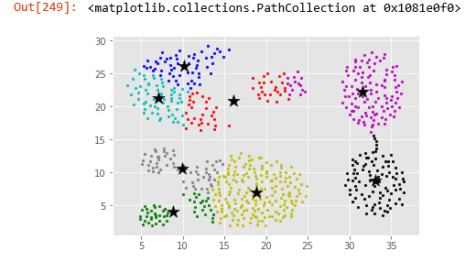
8 | 16.07037 | 20.82037 | 0
 | 8.881372 | 4.1284313
 | 10.109821 | 26.202679
 | 18.823404 | 7.0018616
 | 7.082258 | 21.314516
 | 31.615854 | 22.306911
 | 33.10798 | 8.855319
 | 9.92 | 10.65

Sum of Square Error from Data Train
 | 8322.6737879
 | 4931.0875448
 | 2662.3599325
 | 901.37669576
 | 652.8890597
 | 479.69055115
 | 138.10965387

